AboutThisFile
RAND State Firearm Law Database
Version 1.3: April 27, 2018
Developed by the RAND Corporation
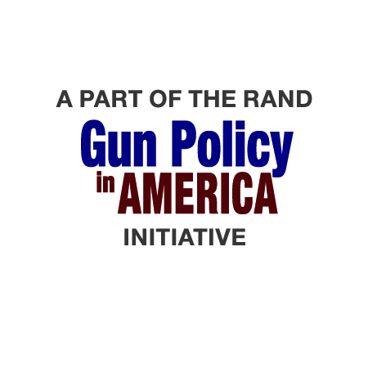
The "Database" tab of this file contains information on state and District of Columbia firearm laws in the United States from 1979 to 2016. The database does not capture all firearm-related laws, only those of specific types.
BACKGROUND: The RAND Corporation launched the Gun Policy in America initiative in January 2016 with the goal of creating objective, factual resources for policymakers and the public on the effects of gun laws. Research in this area has often consisted of cross-sectional studies examining how firearm outcomes differ in a particular year across states with different policies. Many fewer studies have used more-powerful longitudinal research designs for evaluating the effects of gun laws, partly because longitudinal data on most state gun laws are not widely available and are difficult and time-consuming to construct. Therefore, as part of the Gun Policy in America initiative, RAND developed this longitudinal data set of state firearm laws that is free to the public, including other researchers, to support improved analysis and understanding of the effects of various laws. RAND is making the RAND State Firearm Law Database available for use under the Open Data Commons Open Database License (see below). The research team asks that users send proposed corrections, updates, or expansions to FirearmLawDB@rand.org.
Information on the methodology for collecting state law data, the types of laws collected, the meaning of the database fields, and the sources cited in the database (unless otherwise provided) is available in the companion paper to this tool, titled Development of the RAND State Firearm Law Database and Supporting Materials. To access the paper, see https://www.rand.org/pubs/tools/TL283.html.
This RAND State Firearm Law Database is made available under the Open Database License: http://opendatacommons.org/licenses/odbl/1.0/. Any rights in individual contents of the database are licensed under the Database Contents License: http://opendatacommons.org/licenses/dbcl/1.0/
RAND Ventures The RAND Corporation is a research organization that develops solutions to public policy challenges to help make communities throughout the world safer and more secure, healthier and more prosperous. RAND is nonprofit, nonpartisan, and committed to the public interest. RAND Ventures is a vehicle for investing in such policy solutions. Philanthropic contributions support our ability to take the long view, tackle tough and often-controversial topics, and share our findings in innovative and compelling ways. RAND’s research findings and recommendations are based on data and evidence and therefore do not necessarily reflect the policy preferences or interests of its clients, donors, or supporters. Funding for this venture was provided by gifts from RAND supporters and income from operations.
For additional information about this database, or RAND's Gun Policy in America initative, visit www.rand.org/gunpolicy or contact Andrew Morral (703-413-1100 x5119; morral@rand.org).

